MOC
 | MANAGEMENT OF CHANGE
Reference # | Revision: | Approval date | Author |  | Media | Page:
CA-F-HSE-11.E | 1 | 1-Feb-20 | Howard Coyne |  | E | 1 of 1
PERSON PROPOSING THE CHANGE: |  |  |  | JOB POSITION:
PROCESS RESPONSIBLE |  |  |  | PROCESS / AREA:
SECTION 1: DESCRIPTION OF THE CHANGE |  |  |  |  | DATE
SELECT THE TYPE OF CHANGE YOU WANT TO MAKE (MARK WITH AN "X")
TEMPORARY CHANGE |  |  |  | PERMANENT CHANGE
TECHNICAL CHANGE |  |  |  | ADMINISTRATIVE CHANGE
LEGAL CHANGE
DESCRIBE THE CHANGE TO BE MADE (IF NECESSARY, INCLUDE DOCUMENTS IN THIS FORM):
Photographic Evidence
CHANGE AFFECTS OHS PERFORMANCE |  | YES | If the answer is "YES" continue using this document
PROCESSES THAT ARE INVOLVED IN THE CHANGE (MARK WITH AN "X")
HUMAN RESOURCES |  | HSE | OPERATIONS | FINANCE | MAINTENANCE | LOGISTICS

IT |  | TOP MANAGEMENT | CORPORATE | SAFETY COMMITTEE | OTHER (DEFINE): | OTHER (DEFINE):

To continue with the following sections, a meeting must be called for the managers and leaders of the areas involved in the change to be made, to jointly analyze the risks.
SECTION 2: OHS RISK ASSESSMENT
OHS HAZARDS COULD GENERATE THE CHANGE (EVALUATE WITH THE HSE MANAGER)
HAZARD FOR OH&S | NEW OH&S HAZARD | PROBABILITY | CONSEQUENCE | RISK (SEE REFERENCE TABLE) | HIERARCHY OF CONTROLS * = Effectiveness | DESCRIPTION OF THE CONTROLS

ESTIMATED COST FOR CHANGE IMPLEMENTATION (USD): |  |  |  | ESTIMATED IMPLEMENTATION TIME (MONTHS) |  | 1.00
SECTION 3 AUTHORIZATION OF CHANGE
ACCORDING TO THE ANALYSIS CARRIED OUT THE CHANGE IS APPROVED: |  |  |  | APPROVED BY:
SECTION 4: PLANNING FOR CHANGE
Answer the following questions to take them into account in your planning
THE CHANGE TO BE MADE NEEDS THE UPDATE OF SOME DOCUMENTS (PROCEDURES OR FORMATS) |  |  |  | INDICATE THE CODE AND NAME OF THE DOCUMENT TO BE UPDATED
THE CHANGE TO BE MADE WILL REQUIRE THE CREATION OF A NEW DOCUMENTS (PROCEDURES OR FORMATS)
INDICATE WHICH JOBS REQUIRE TRAINING FOR THIS CHANGE
CHANGE IMPLEMENTATION WORK PLAN |  |  |  | CHANGE IMPLEMENTATION MONITORING
TASKS TO DO | RESPONSIBLE | START DATE | END DATE | STATUS | IDENTIFICATION OF DEVIATIONS | DEVIATION CORRECTION

SECTION 5: IMPLEMENTING THE CHANGE
PROCESS LEADER VALIDATES THE IMPLEMENTATION IN HIS PROCESS (MARK WITH AN "X")
HUMAN RESOURCES |  | HSE | OPERATIONS | FINANCIAL | MAINTENANCE | LOGISTICS

IT |  | TOP MANAGEMENT | CORPORATE | SAFETY COMMITTEE | OTHER (DEFINE): | OTHER (DEFINE):

THE MANAGEMENT OF CHANGE IS CLOSED WHEN ALL THE PROCESS LEADERS CONFIRM THE IMPLEMENTATION OF THE CHANGE |  |  |  |  | CLOSING DATE

This document is the property of Kluane Drilling Ltd. and can not be copied or shared with a third party without authorization of a representative of the Management System Team

REF TABLE
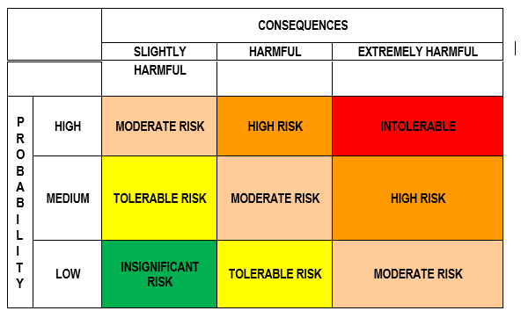

P R O B A B I L I T Y High: Once a week Medium: Once a month Low: Once a year

